Notes
Method | Method Type | is documented ? | Expected Behavior | expected == observed | Observed Behavior | Side Notes | XML & Screenshots
/todos/:id/categories | GET | DOCUMENTED | return all the category items related to todo, with given id, by the relationship named categories | YES | return all the category items related to todo, with given id, by the relationship named categories
/todos/:id/categories | PUT | UNDOCUMENTED | method not allowed | N/A
/todos/:id/categories | POST | DOCUMENTED | create an instance of a relationship named categories between todo instance :id and the category instance represented by the id in the body of the message | YES | create an instance of a relationship named categories between todo instance :id and the category instance represented by the id in the body of the message |  | 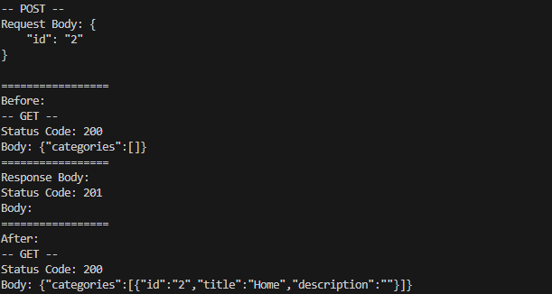
/todos/:id/categories | DELETE | UNDOCUMENTED | method not allowed | N/A
/todos/:id/categories | OPTIONS | UNDOCUMENTED | show all Options for endpoint of todos/:id/categories | YES | No options given |  | Empty Body
/todos/:id/categories | HEAD | DOCUMENTED | headers for the category items related to todo, with given id, by the relationship named categories | YES | headers for the category items related to todo, with given id, by the relationship named categories
/todos/:id/categories | PATCH | UNDOCUMENTED | method not allowed | N/A
/todos/:id/categories/:id | GET | UNDOCUMENTED | method not allowed | N/A
/todos/:id/categories/:id | PUT | UNDOCUMENTED | method not allowed | N/A
/todos/:id/categories/:id | POST | UNDOCUMENTED | method not allowed | N/A
/todos/:id/categories/:id | DELETE | DOCUMENTED | delete the instance of the relationship named categories between todo and category using the :id | YES | delete the instance of the relationship named categories between todo and category using the :id |  | 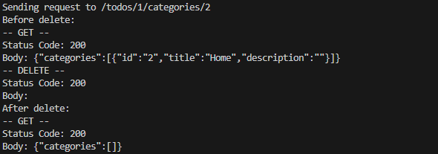
/todos/:id/categories/:id | OPTIONS | UNDOCUMENTED | show all Options for endpoint of todos/:id/categories/:id | YES | No options given |  | Empty Body
/todos/:id/categories/:id | HEAD | UNDOCUMENTED | method not allowed | N/A
/todos/:id/categories/:id | PATCH | UNDOCUMENTED | method not allowed | N/A
/todos/:id/tasksof | GET | DOCUMENTED | return all the project items related to todo, with given id, by the relationship named tasksof | YES | return all the project items related to todo, with given id, by the relationship named tasksof | Doesn't give out the id of the relationship itself
/todos/:id/tasksof | PUT | UNDOCUMENTED | method not allowed | N/A
/todos/:id/tasksof | POST | DOCUMENTED | create an instance of a relationship named tasksof between todo instance :id and the project instance represented by the id in the body of the message | YES | create an instance of a relationship named tasksof between todo instance :id and the project instance represented by the id in the body of the message | Need to test requests with invalid body.
/todos/:id/tasksof | DELETE | UNDOCUMENTED | method not allowed | N/A
/todos/:id/tasksof | OPTIONS | UNDOCUMENTED | show all Options for endpoint of todos/:id/tasksof | YES | No options given |  | Empty Body
/todos/:id/tasksof | HEAD | DOCUMENTED | headers for the project items related to todo, with given id, by the relationship named tasksof | YES | headers for the project items related to todo, with given id, by the relationship named tasksof
/todos/:id/tasksof | PATCH | UNDOCUMENTED | method not allowed | N/A
/todos/:id/categories/:id | GET | UNDOCUMENTED | method not allowed | N/A
/todos/:id/categories/:id | PUT | UNDOCUMENTED | method not allowed | N/A
/todos/:id/categories/:id | POST | UNDOCUMENTED | method not allowed | N/A
/todos/:id/categories/:id | DELETE | DOCUMENTED | delete the instance of the relationship named tasksof between todo and project using the :id | YES | delete the instance of the relationship named tasksof between todo and project using the :id
/todos/:id/categories/:id | OPTIONS | UNDOCUMENTED | show all Options for endpoint of todos/:id/tasksof/:id | YES | No options given |  | Empty Body
/todos/:id/categories/:id | HEAD | UNDOCUMENTED | method not allowed | N/A
/todos/:id/categories/:id | PATCH | UNDOCUMENTED | method not allowed | N/A

